Rate Methodology 070119
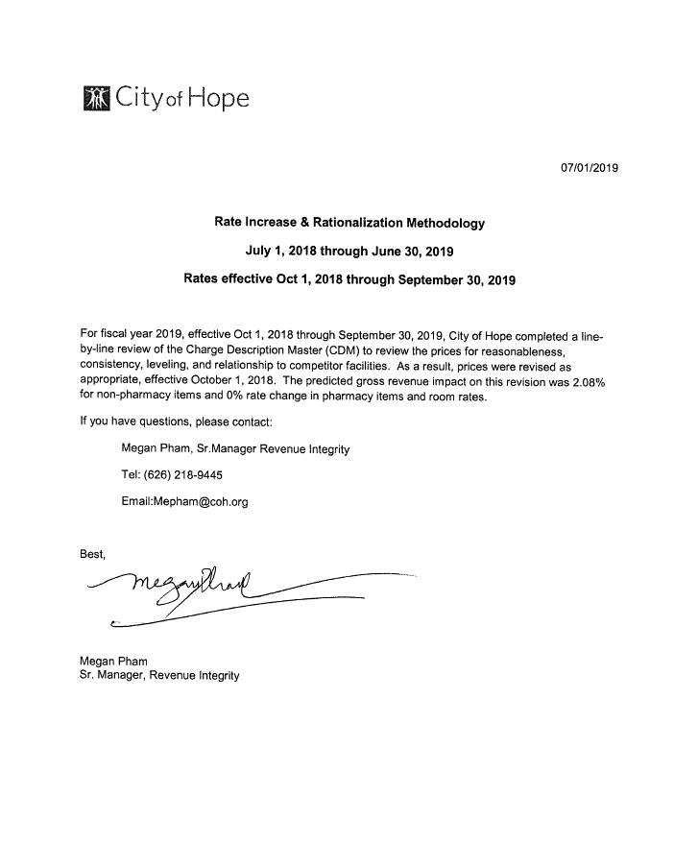
Title | Total
Initial Gross Revenue (pre 10/1/2018) | $3,928,937,304.00
Gross Revenue Increase | $91,268,997.00
Expected Gross Revenue (post 10/1/2018) | $4,020,206,301.00
Gross % Increase | 2.08%

